Annotated Collection Card
Annotated Collection Card
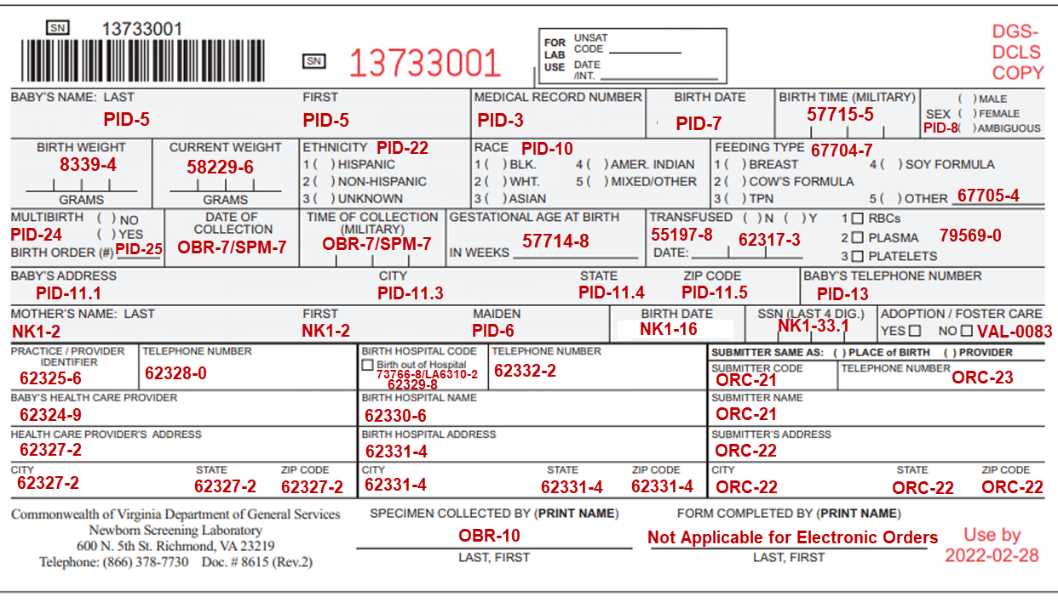

Sample Label
Sample Label
Label size specifications:
3" x 6" OR 2.4" x 6.75"
*Label cannot cover up barcoded Device ID at top of card, or expiration date at bottom of card
**3 copies of the label need to be printed and attached onto the 2 carbon copies and the collection device itself

